TEDB Edition 40
Increased performance typically comes as a trade-off with fuel economy. But light vehicle manufacturers have been able to employ advanced technologies to improve both performance and fuel economy. Despite a 143% increase in horsepower and 51% improvement in acceleration from model year 1980 to 2021, the fuel economy of vehicles improved 32%. In the 1990s and early 2000s, fuel economy decreased while vehicle weight increased. Fuel economy has improved nearly every year since 2004.

Figure 4.6. Horsepower, Fuel Economy, Weight, and 0-60 Time for New Light Vehicles, Model Years 1980-2021

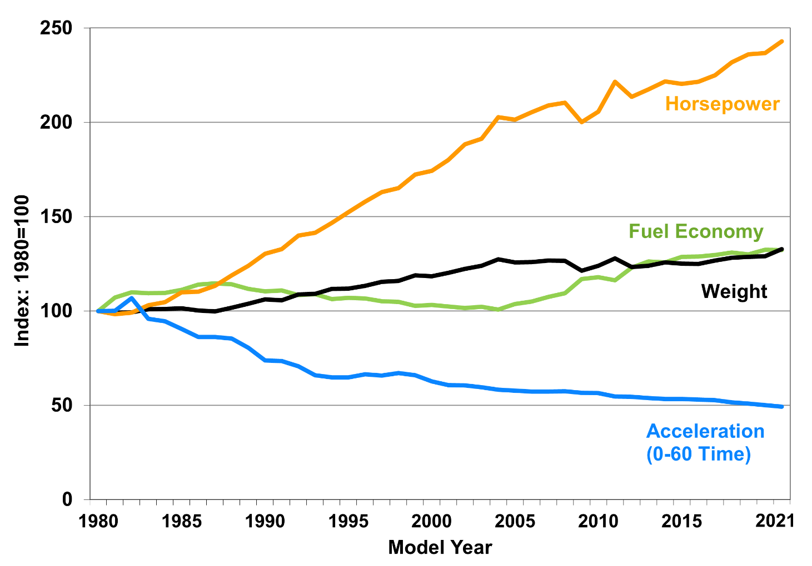

 | Model Year | Fuel Economy | Weight | Horsepower | 0-60 Time
 | 1980 | 19.2 | 3,228 | 104 | 15.6
 |  | miles per gallon | pounds | horsepower | seconds
 |  | Indexed Values for Graph
 | 1980 | 100 | 100 | 100 | 100
 | 1981 | 107 | 99 | 98 | 100
 | 1982 | 110 | 99 | 99 | 107
 | 1983 | 109 | 101 | 103 | 96
 | 1984 | 110 | 101 | 105 | 95
 | 1985 | 111 | 101 | 110 | 90
 | 1986 | 114 | 100 | 110 | 86
 | 1987 | 115 | 100 | 113 | 86
 | 1988 | 114 | 102 | 119 | 85
 | 1989 | 112 | 104 | 124 | 80
 | 1990 | 110 | 106 | 130 | 74
 | 1991 | 111 | 106 | 133 | 74
 | 1992 | 108 | 109 | 140 | 71
 | 1993 | 109 | 109 | 141 | 66
 | 1994 | 106 | 112 | 147 | 65
 | 1995 | 107 | 112 | 152 | 65
 | 1996 | 107 | 113 | 158 | 66
 | 1997 | 105 | 115 | 163 | 66
 | 1998 | 105 | 116 | 165 | 67
 | 1999 | 103 | 119 | 172 | 66
 | 2000 | 103 | 118 | 174 | 63
 | 2001 | 102 | 120 | 180 | 61
 | 2002 | 102 | 122 | 188 | 61
 | 2003 | 102 | 124 | 191 | 60
 | 2004 | 101 | 127 | 203 | 58
 | 2005 | 104 | 126 | 201 | 58
 | 2006 | 105 | 126 | 205 | 57
 | 2007 | 108 | 127 | 209 | 57
 | 2008 | 109 | 127 | 210 | 57
 | 2009 | 117 | 121 | 200 | 57
 | 2010 | 118 | 124 | 206 | 56
 | 2011 | 116 | 128 | 221 | 55
 | 2012 | 123 | 123 | 214 | 55
 | 2013 | 126 | 124 | 218 | 54
 | 2014 | 126 | 126 | 222 | 53
 | 2015 | 129 | 125 | 220 | 53
 | 2016 | 129 | 125 | 222 | 53
 | 2017 | 130 | 127 | 225 | 53
 | 2018 | 131 | 128 | 232 | 52
 | 2019 | 130 | 129 | 236 | 51
 | 2020 | 132 | 129 | 237 | 50
 | 2021 | 132 | 133 | 243 | 49

Note: Data are production-weighted averages for each model year. Data for model year 2021 are preliminary. CVT data include both hybrid and non-hybrid. Data include light trucks less than 8,500 lb Beginning with 2011, SUVs and passenger vans up to 10,000 lb were also included.

Source:
U.S. Environmental Protection Agency, The 2021 EPA Automotive Trends Report, EPA-420-R-21-023,November 2021. (Additional resources: www.epa.gov/fuel-economy-trends)

